Pay Summary
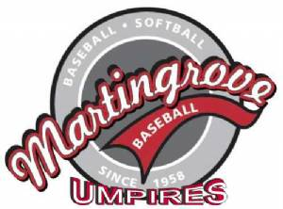
MBL Monthly Umpire HL Payment Summary 2019

 |  |  | Email completed form to MartingroveUIC@gmail.com
 |  |  | Forms received by the 7th of the month will be paid by cheque that month
 |  |  | Payment (by cheque) will be mailed to address provided approximately mid-month

Name:
OBA Number:
OBA Level:

Street Address:
City, Province:
Postal Code:

Phone Number:

Choose from drop-down menus where provided, type in Game # and Amount from Umpire Assignment spreadsheet. If you umpired a game without a partner, enter double the rate for that game in the Amount column. This form is for payment for house league games, since Rep/Select & Junior HL games are paid on the field. Exceptions are for non-payment of a rep/select game on the field due to rain-out, or when insufficient notice of game cancellation is given - enter details in the Exceptions column.

Month | Day | Level | Division | Game # | Partner | Amount | Exceptions (provide details) | League Use

 |  |  |  |  | Total Earned: | $-

Date Submitted |  |  |  |  | Umpire's Signature

